Sheet1
Calculating the FV of an ordinary annuity - Changing the Rate

Grace is looking to make some changes to her personal financing. She would like to be able to help her children finance their education.
She anticipates that she can save $600 every six months for the next 16 years, at which point her oldest child will be ready for post-secondary education.
She estimates that the rate of return will be 3.5% compounded semiannually for the first 5 1/2 years. She expects that the interest rate will then increase to 5%
compounded semi-annually for the next 10 1/2 years. What is the future value of this simple ordinary annuity?
Start by drawing a timeline:
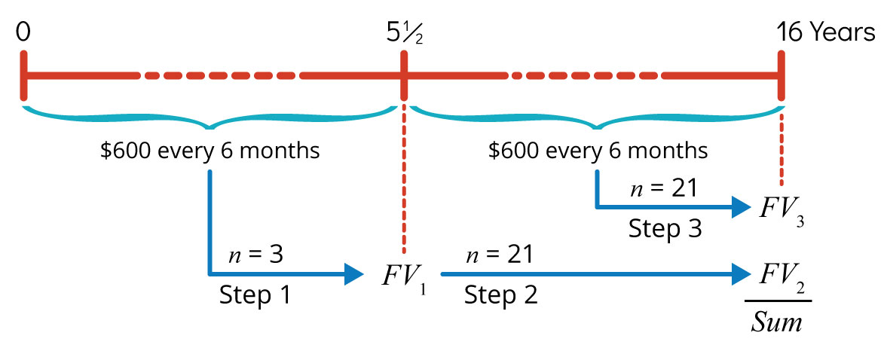

STEP 1 - find the amount of money at the end of the first 5 1/2 years
 | information given:
 | Nominal annual interest rate, j | 3.500%
 | Compoundings per year, m | 2
 | Number of years | 6
 | Regular annuity payment, PMT or pmt | -$600.00 | Note: ENTER PMT as negative
 | PV | $0.00
 | Annuity type | 0

 | Information to be calculated
 | Periodic rate of interest, i or rate | 1.7500%
 | Number of payments, n or nper | 11.00

 | Calculate FV using FV function | $7,208.91
 | FV(rate,nper,pmt,pv,type)

Step 2 - the amount in her savings after the first 5 1/2 years will continue to accumulate interest in addition to the payments.
 | we can use the same formulas/function for the next 10 1/2 years - with PV from the previous step

 | information given:
 | Nominal annual interest rate, j | 5.000%
 | Compoundings per year, m | 2
 | Number of years | 10.5
 | Regular annuity payment, PMT or pmt | -$600.00
 | PV | -$7,208.91
 | Annuity type | 0

 | Information to be calculated
 | Periodic rate of interest, i or rate | 2.5000%
 | Number of payments, n or nper | 21.00

 | Calculate FV using FV function | $28,417.91
 | FV(rate,nper,pmt,pv,type)

