Sheet1
Calculating the FV of an ordinary annuity - Dr. Trine

Dr. Rebecca Trine just turned 35 and currently has $15,000 accumulated in her Registered Retirement Savings Plan (RRSPs). She makes monthly contributions of
$500 to the plan and intends to do so until age 60. She plans to retire then and cease further contributions. The RRSP will be allowed to continue to accumulate
earnings until she reaches age 65. If the RRSP earns 7.5% compounded monthly for the next 30 years, what amount will her RRSP contain when she reaches age 65?

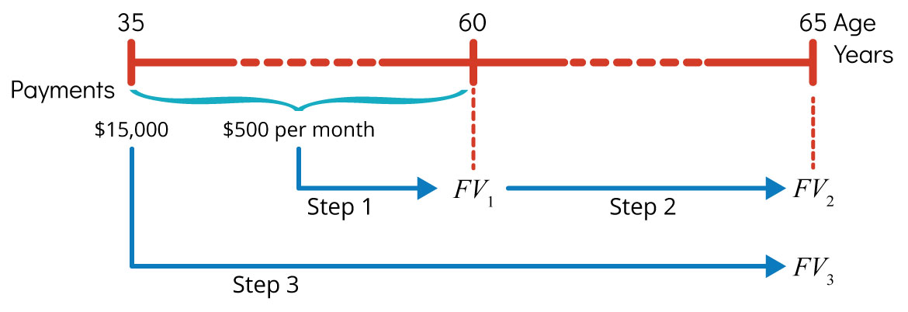

STEP 1 - find the amount of money she has by the age of 60 (note - we can enter the $15,000 she has already accumulated as PV)
 | information given:
 | Nominal annual interest rate, j | 7.500%
 | Compoundings per year, m | 12
 | Number of years | 25
 | Regular annuity payment, PMT or pmt | -$500.00 | Note: ENTER PMT as negative
 | PV | -$15,000.00
 | Annuity type | 0

 | Information to be calculated
 | Periodic rate of interest, i or rate | 0.6250%
 | Number of payments, n or nper | 300.00

 | Calculate FV using FV function | $535,873.64
 | FV(rate,nper,pmt,pv,type)

Step 2 - the amount in her RRSP at age 60 will continue to accumulate interest even though she is not making more payments
 | we can use the same formulas/function for the next 5 years - with a PMT of 0 and PV=the amount after 25 years of payments.

 | information given:
 | Nominal annual interest rate, j | 7.500%
 | Compoundings per year, m | 12
 | Number of years | 5
 | Regular annuity payment, PMT or pmt | $0.00
 | PV | -$535,873.64
 | Annuity type | 0

 | Information to be calculated
 | Periodic rate of interest, i or rate | 0.6250%
 | Number of payments, n or nper | 60.00

 | Calculate FV using FV function | $778,782.17
 | FV(rate,nper,pmt,pv,type)

At the end of 30 years, she will have $778,782.17

