Budget template
Project Name: | Seed coatings and carbon capture of crops.
Project Start Date: | Sep-24
Project End Date: | 2024-12-24
 |  |  |  |  | Hover over cells with red arrows to see cell comments for notes/references
Salaries | Hours/wk | Rate | Weeks | Total | Notes:
PI (Silvia Jones, Professor, Health Sciences | 6 |  | 15 | $7,500
Co-Investigator | 2 | 64.60 | 15 | $1,938
Research Assistant (Student) | 24 | 25.25 | 6 | $3,636
Industry Partner Designate (in-kind contribution) | 2 |  | 15 | $-
 |  |  |  | $-
 |  |  |  | $-
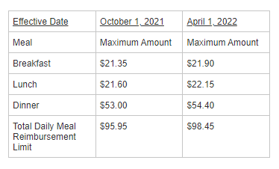
Total Salaries |  |  |  | $13,074

Equipment & Materials |  | Unit Cost | Units | Total
Survey Translation |  | $500.00 | 1 | $500
Participant Gift Cards |  | $10.00 | 50 | $500
Statistical Processing Software License |  | $100.00 | 1 | $100
 |  | $- |  | $-
 |  | $- |  | $-
Total Equipment & Materials |  |  |  | $1,100

Travel |  | Rate | Units | Total
mileage |  | $0.40 | 400 | $160
hotel |  |  |  | $-
meals |  |  |  | $-
Total Travel |  |  |  | $160

Networking/Knowledge Dissemination |  |  |  | Total
Conference Registration Fee |  |  |  | $500
 |  |  |  | $-
 |  |  |  | $-
Total Networking/KD |  |  |  | $500
Subtotal |  |  |  | $14,834
HST (if applicable)
TOTAL |  |  |  | $14,834

